Residential
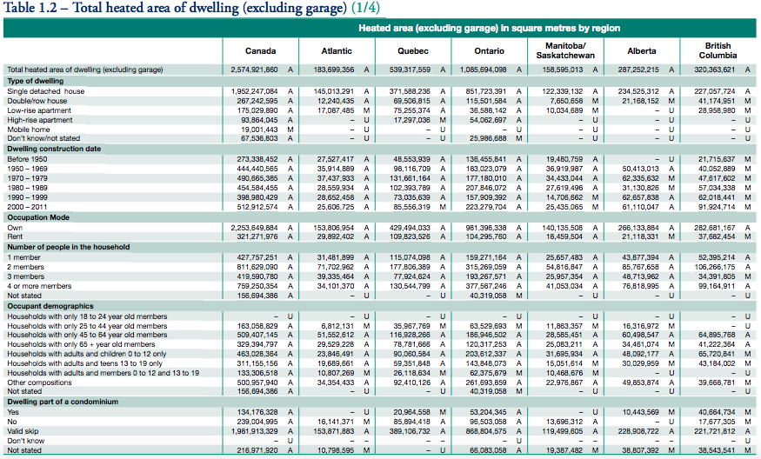

 |  |  |  | 2574921860 | Total in Canada | 287252215 | Total in Alberta

 |  |  |  | 2253649884 | Total owned | 266133884 | AB total owned
 |  |  |  | 321271976 | Total rented | 21118331 | AB total rented

Ownership | Floor Area Share
Owned | 0.926481573
Rented (total) | 0.073518427003

Share of renters in public housing
0.04 | Source: | https://www.statcan.gc.ca/pub/75-001-x/00602/8442-eng.html

Ownership | Floor Area Share
Rented (public housing) | 0.0029407370801
Rented (non-public housing) | 0.070577689923

Assumptions:
All owner-occupied housing belongs to consumers.
All public housing belongs to government.
Fraction of rental housing that is owned by an individual (consumers): |  |  | 0.75
Fraction of rental housing that is owned by a company (industry): |  |  | 0.25

Ownership | Floor Area
government | 0.003
industry | 0.018
consumers | 0.979

